Cover
 | Radon Sampling Data

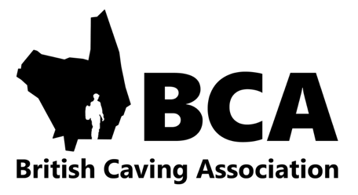

The following information has been made available to all thanks to support from the BCA, Association of Heads of Centres, PICA, South Wales Providers, and a range of other organisations.

This data should be read in conjunction with the BCAs publication Radon Underground:

https://british-caving.org.uk/documents/radon-underground/

The spreadsheet is locked to retain the integrity of the data, however the "average" cell next to each sampling site has not. This is so users can delete the value in this cell if they can plan and manage a trip that confidently avoids the area the sampling took place. For example with Bwlch y Plwm (in North Wales) if certain areas of the mine are kept clear the radon exposure to users can be radically reduced.

