Cover Page
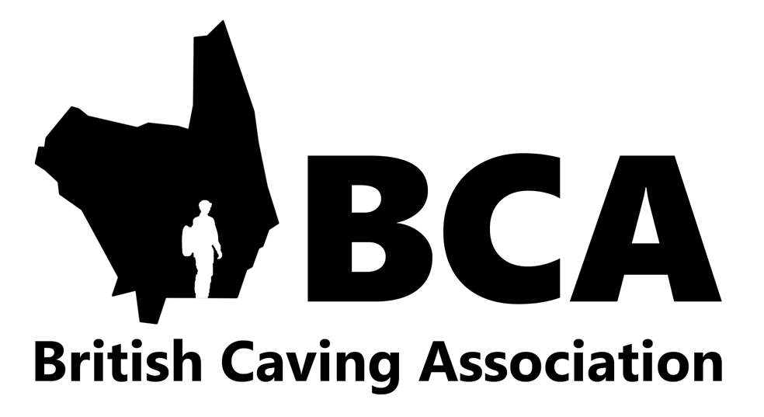

British Caving Association Cave & Mine Leader Award Log Book

Name:

Membership Number:

 | How to use the logbook Enter your name and your membership number which starts with ME (found under your photo and name on the left side in the My Profile area of the award schemes candidate management system: www.britishcaving.azolve.com) in the dark grey boxes above. Select the "Cave and Mine Leader" sheet to open the log book. Use one line for each trip. Once you have completed your Cave or Mine Leader award it is acceptable to block record regular trips e.g. 20 trips to Long Churn with primary school children in a variety of water levels. Date: Date of the trip Trip Details: Record any particulars of the trip including route within a system e.g. round trip or through trip, techniques used e.g. ladder and line, SRT, Tyrolean, pull through, bolting, surveying, photography, digging, water levels, weather and ground conditions or party size as appropriate. Role: Show whether it was a trip with peers, an assistant or leading the party. Time: Record the time, to the nearest hour, spent underground. This shows whether you are doing some good long trips which may qualify as a “Quality Trip” and also helps with calculating your Radon exposure. Quality Trip: If you feel the trip meets the criteria of a “Quality Trip” as defined below enter “Yes” into this column.

 | Pre-Requisite Experience Guidance

 | Prior to attending a Training Course

 | A recommended minimum of 12 trips although at the discretion of the trainer less can be accepted.
 | Prior to attending an Assessment • At least one-years cave or mine exploration with, • At least 30 trips including • Mine Leader: Trips in mines of different types, e.g. metal, stone • Cave: Trips in at least two different regions • 5 Quality Trips • A proportion of these should be as a leader under supervision. • Some trips may be above and beyond the remit of the award

 | Note it’s acceptable for candidates wishing to work through the Cave Leader award to log both Cave and Mine Exploration trips, however the majority of trips should be in Caves, where as those working towards the Mine Leader award would be expected to have the majority of trips in Mines.

 | Definition of a "Quality Trip"

 | A quality trip should satisfy at least 4 of the following criteria
 | · Exploration of a new route cave or mine (new to the candidate that is),
 | · Incorporates at least 4 to 5 hours of underground exploration.
 | · An experience that develops an individual’s cave or mine exploration knowledge, skills and awareness.
 | · Incorporates cave or mine exploration skills above the level of the remit of the award.
 | · Of the candidates own making i.e. the candidate is to lead the trip, or it is one done with peers and not led by an
 | external source.
 | · Involves the application of vertical skills, digging or exploration.
 | · Exploration of cave or mine systems with a streamway that responds to rainfall.

 | Maintaining the award

 | Award holders are expected to maintain a valid First Aid certificate (min 16hr course with an element of assessment) in addition to remaining an active caver/mine explorer and is valid for 5 years. The award may be updated by progressing through the award scheme, by attending qualifying training courses or attending an update workshop before the award expires. Those choosing to attend an update workshop would be expected to evidence the following experience within the last 5 years. Those unable to evidence this may still attend an update workshop however may find some of the more complex sites on their qualification removed.

 | Minimum experience to fully update your award

 | • | 30 trips leading groups in caves/mines reflecting a cross section of the difficulty of the caves/mines on the candidates list, and
 | • | 10 different personal exploration trips, of which 5 must be “Quality Trips”. These may be repeats of trips done in the previous 5-year period. Some of the personal days may be above the candidate’s level of qualification

